WEights
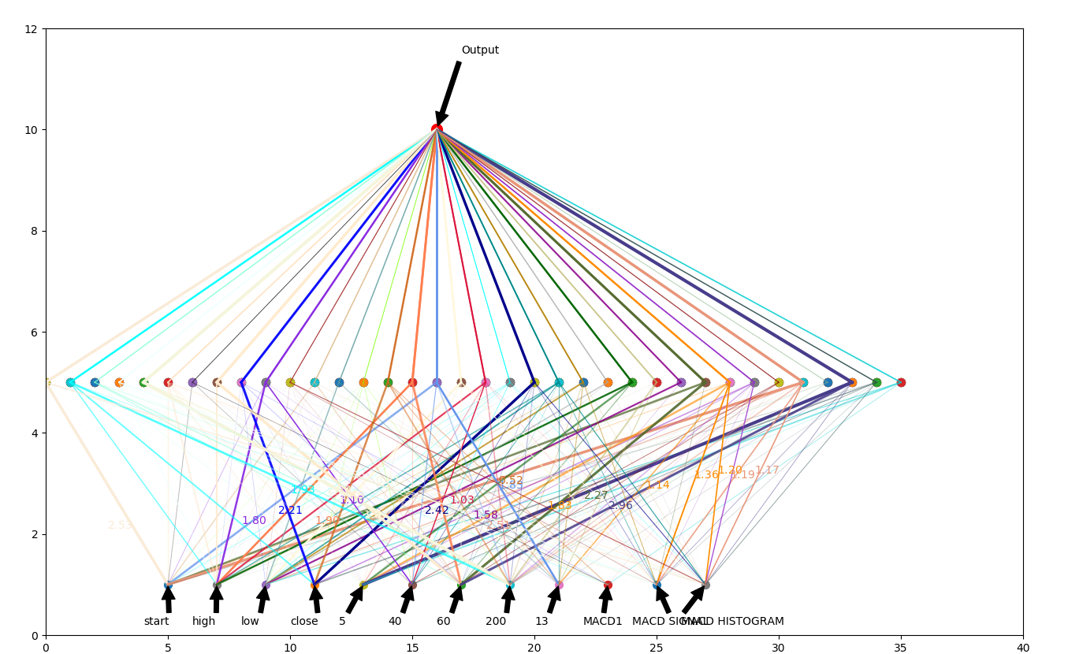

Save to path: Networksaver/EURDweights.ckpt [ 2.5306764 -1.394285 -0.5966733 -0.5688423 -1.0454049 1.0257034 0.69026726 -1.0629221 -0.32545218 0.78316647 -0.04638774 1.1811441 -0.17698005 0.43293515 -1.6089067 -1.6227455 1.9284576 -0.3167301 -0.83283484 0.75049645 0.27676463 -1.1385307 -0.87418044 -0.01558694 -0.77493167 -0.20595914 -0.16854627 1.908746 0.7699201 -1.6238399 0.10755779 2.5090997 0.25535753 -0.5231427 0.66862744 -0.4250722 ] 2.5306764

